SELERA OR STIR UP (Syrup)
DATE | INV NO. | DESCRIPTIONS | QTY | BILLS | PRICE | SUBTOTAL | TOTAL
2-Feb-2026 | SO.03-260055 | CRIMINAL CARAMEL PET | 2 | 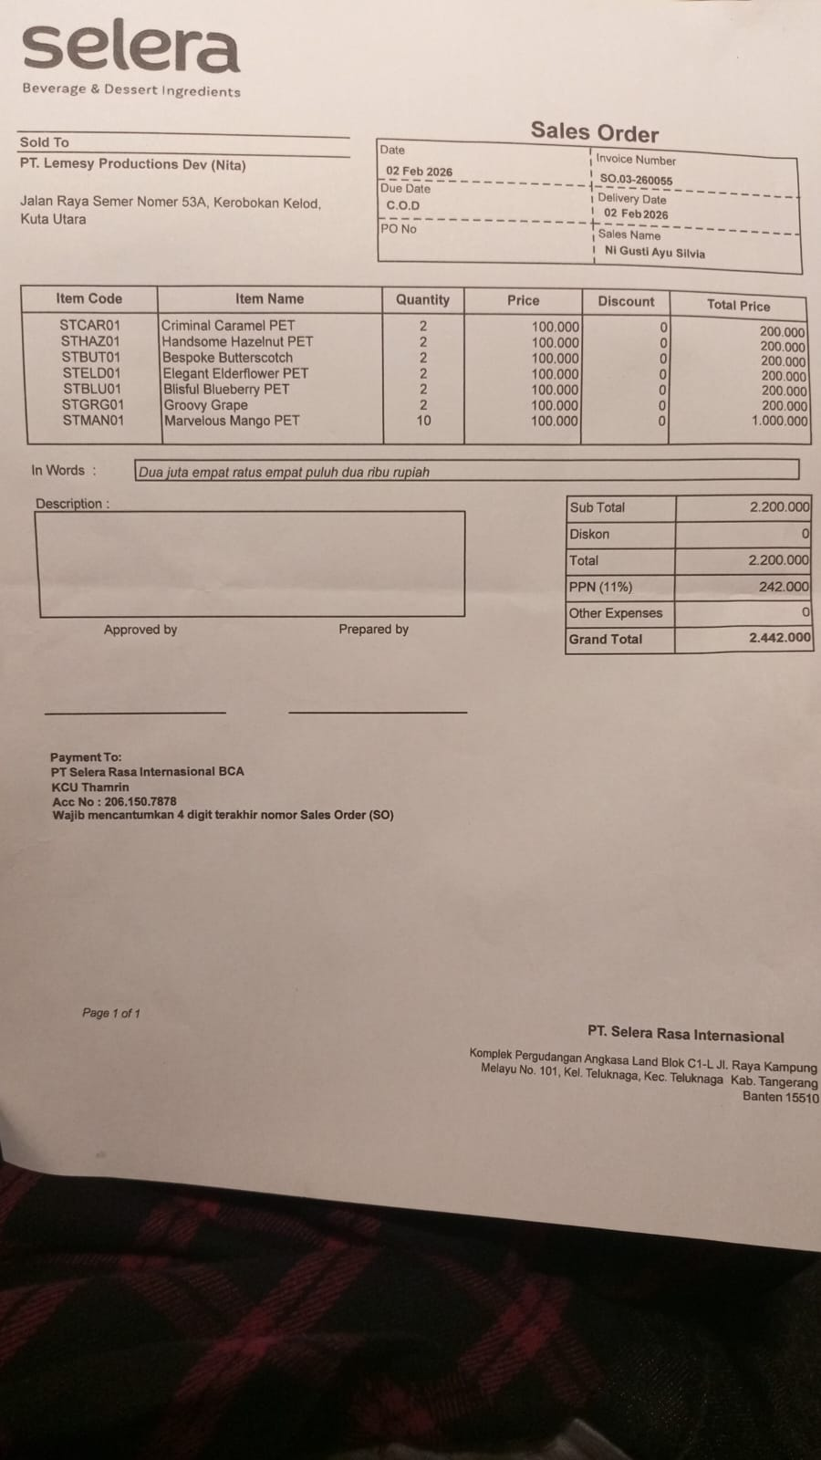 | IDR 100,000 | IDR 200,000 | IDR 2,200,000
 |  | HANDSOME HAZELNUT PET | 2 |  | IDR 100,000 | IDR 200,000
 |  | BESPOKE BUTTERSCOTCH | 2 |  | IDR 100,000 | IDR 200,000
 |  | ELEGANT ELDERFLOWER PET | 2 |  | IDR 100,000 | IDR 200,000
 |  | BLISFUL BLUEBERRY PET | 2 |  | IDR 100,000 | IDR 200,000
 |  | GROOVY GRAPE | 2 |  | IDR 100,000 | IDR 200,000
 |  | MARVELOUS MANGO PET | 10 |  | IDR 100,000 | IDR 1,000,000
SUB TOTAL |  |  | 22 |  | PPN (11%) |  | IDR 242,000
TOTAL |  |  |  | Rp2,442,000.00
18-Feb-2026 | SO.03-260075 | LOYAL LYCHEE PET | 2 | 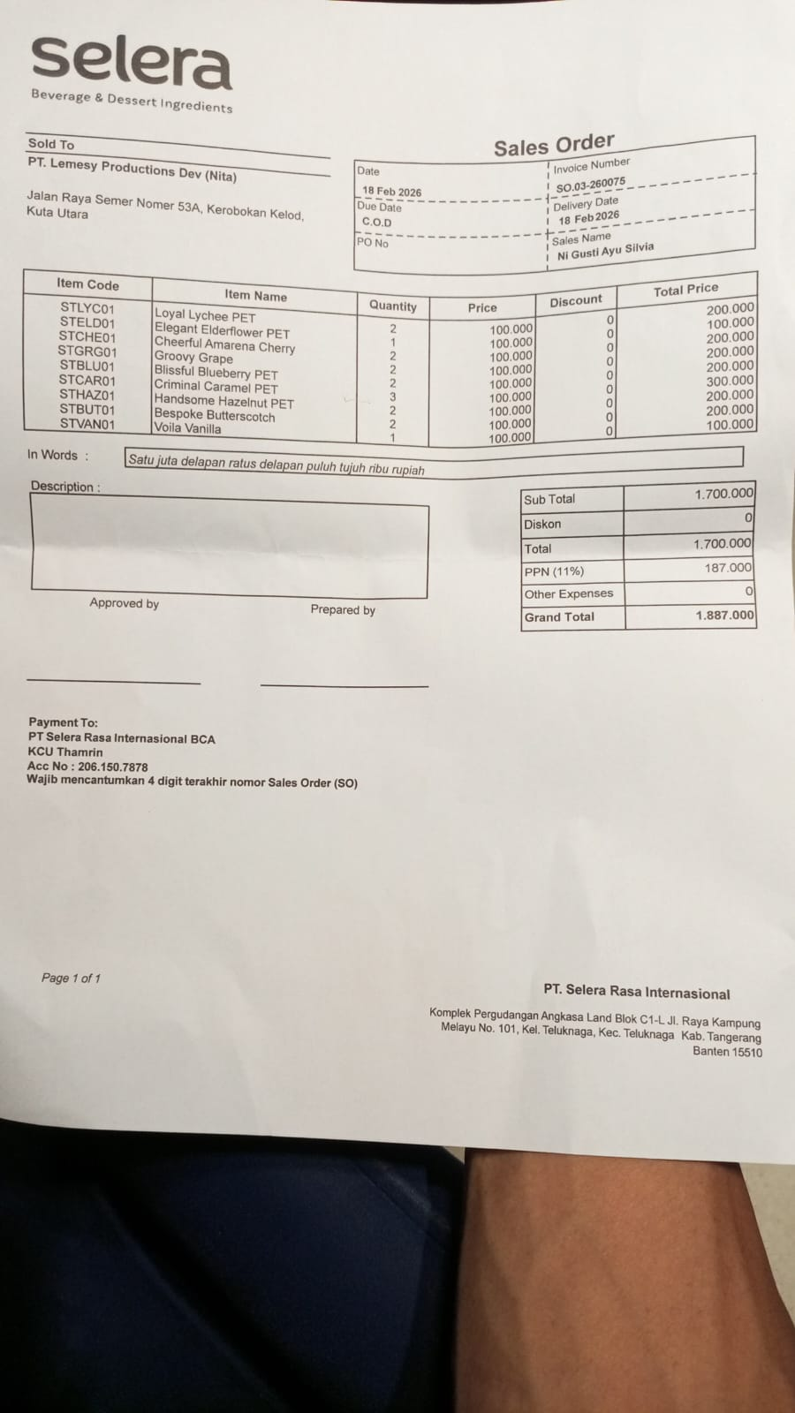 | IDR 100,000 | IDR 200,000 | IDR 1,700,000
 |  | ELEGANT ELDERFLOWER PET | 1 |  | IDR 100,000 | IDR 100,000
 |  | CHEERFUL AMARENA CHERRY | 2 |  | IDR 100,000 | IDR 200,000
 |  | GROOVY GRAPE | 2 |  | IDR 100,000 | IDR 200,000
 |  | BLISSFUL BLUEBERRY PET | 2 |  | IDR 100,000 | IDR 200,000
 |  | CRIMINIAL CARAMEL PET | 3 |  | IDR 100,000 | IDR 300,000
 |  | HANDSOME HAZELNUT PET | 2 |  | IDR 100,000 | IDR 200,000
 |  | BESPOKE BUTTERSCOTCH | 2 |  | IDR 100,000 | IDR 200,000
 |  | VOILA VANILLA | 1 |  | IDR 100,000 | IDR 100,000
SUB TOTAL |  |  | 17 |  | PPN (11%) |  | IDR 187,000
TOTAL |  |  |  | Rp1,887,000.00
 |  |  |  | GRAND TOTAL | Rp4,329,000

